ACCOMMODATION BOOKING FORM
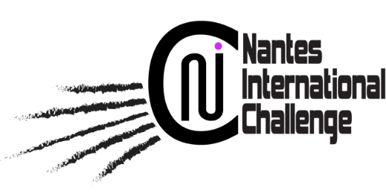 |  |  | 

NANTES INTERNATIONAL CHALLENGE 2022 ACCOMMODATION BOOKING FORM
In order to guarantee the availability of rooms and the proposed rates, your reservation request must be sent by this form before 06/06/2022. A booking contract will be sent to you and a deposit will be requested to confirm your request.

YOUR ACCOMMODATION CONTACT
SPARTNER - Ms Florène - Tel : +33 7 64 36 80 92 - Mail : teamservices@nantes-international.fr

BOOKING DETAILS
GROUP
GROUP CONTACT PERSON
BILLING ADRESS
EMAIL
PHONE NUMBER |  |  | (+)

HOTEL SELECTED

SINGLE ROOM
N° * | LAST NAME | FIRST NAME | CHECK-IN DATE | CHECK-OUT DATE | GENDER
1
2
3
4
5
*Add more lines if needed

DOUBLE ROOM
N° * | LAST NAME | FIRST NAME | CHECK-IN DATE | CHECK-OUT DATE | GENDER
1

2

3

*Add more lines if needed

TWIN ROOM (if available in the selected hotel)
N° * | LAST NAME | FIRST NAME | CHECK-IN DATE | CHECK-OUT DATE | GENDER
1

2

3

4

5

*Add more lines if needed

TRIPLE ROOM (if available in the selected hotel)
N° * | LAST NAME | FIRST NAME | CHECK-IN DATE | CHECK-OUT DATE | GENDER
1

2

3

*Add more lines if needed
 |  |  | 2022-06-19
 |  |  | 2022-06-20
 |  | MEN | 2022-06-21
 |  | WOMEN | 2022-06-22
 |  |  | 2022-06-23
 |  |  | 2022-06-24
 |  |  | 2022-06-25
 |  |  | 2022-06-26
 |  |  | 2022-06-27
 |  |  | 2022-06-28

 | AKENA NANTES REZE AIRPORT HOTEL
 | APPART’CITY NANTES CITE DES CONGRES
 | APPART’CITY CONFORT NANTES CENTRE
 | SEJOURS & AFFAIRES NANTES DUCS DE BRETAGNE
 | RESIDHOME NANTES BERGES DE LA LOIRE
 | APPART’CITY CONFORT NANTES OUEST ST HERBLAIN
 | CAMPANILE NANTES SAINT-HERBLAIN
 | BEST WESTERN ATLANTYS NANTES ZENITH
 | B&B HOTEL NANTES ATLANTIS LE ZENITH
 | IBIS BUDGET NORD SAINT-HERBLAIN

